projections
Projection rates | 2024 | 2025 | 2026 | 2027 | 2028 | 2029 | 2030 | 2031 | 2032 | 2033 | 2034 | 2035 | 2036 | 2037 | 2038 | 2039 | 2040 | 2041 | 2042 | 2043 | 2044 | 2045 | 2046 | 2047 | 2048 | 2049 | 2050 | 2051 | 2052 | 2053 | 2054 | 2055 | 2056 | 2057 | 2058 | 2059 | 2060 | 2061 | 2062 | 2063 | 2064 | 2065 | 2066 | 2067 | 2068 | 2069 | 2070

electricity | 1.0000 | 1.0000 | 1.0000 | 1.0000 | 1.0000 | 1.0000 | 1.0000 | 1.0000 | 1.0000 | 1.0000 | 1.0000 | 1.0000 | 1.0000 | 1.0000 | 1.0000 | 1.0000 | 1.0000 | 1.0000 | 1.0000 | 1.0000 | 1.0000 | 1.0000 | 1.0000 | 1.0000 | 1.0000 | 1.0000 | 1.0000 | 1.0000 | 1.0000 | 1.0000 | 1.0000 | 1.0000 | 1.0000 | 1.0000 | 1.0000 | 1.0000 | 1.0000 | 1.0000 | 1.0000 | 1.0000 | 1.0000 | 1.0000 | 1.0000 | 1.0000 | 1.0000 | 1.0000 | 1.0000
nuclear | 1.0000 | 1.0000 | 1.0000 | 1.0000 | 1.0000 | 1.0000 | 1.0000 | 1.0000 | 1.0000 | 1.0000 | 1.0000 | 1.0000 | 1.0000 | 1.0000 | 1.0000 | 1.0000 | 1.0000 | 1.0000 | 1.0000 | 1.0000 | 1.0000 | 1.0000 | 1.0000 | 1.0000 | 1.0000 | 1.0000 | 1.0000 | 1.0000 | 1.0000 | 1.0000 | 1.0000 | 1.0000 | 1.0000 | 1.0000 | 1.0000 | 1.0000 | 1.0000 | 1.0000 | 1.0000 | 1.0000 | 1.0000 | 1.0000 | 1.0000 | 1.0000 | 1.0000 | 1.0000 | 1.0000
hydro | 1.0000 | 1.0000 | 1.0000 | 1.0000 | 1.0000 | 1.0000 | 1.0000 | 1.0000 | 1.0000 | 1.0000 | 1.0000 | 1.0000 | 1.0000 | 1.0000 | 1.0000 | 1.0000 | 1.0000 | 1.0000 | 1.0000 | 1.0000 | 1.0000 | 1.0000 | 1.0000 | 1.0000 | 1.0000 | 1.0000 | 1.0000 | 1.0000 | 1.0000 | 1.0000 | 1.0000 | 1.0000 | 1.0000 | 1.0000 | 1.0000 | 1.0000 | 1.0000 | 1.0000 | 1.0000 | 1.0000 | 1.0000 | 1.0000 | 1.0000 | 1.0000 | 1.0000 | 1.0000 | 1.0000
wind | 1.0000 | 1.0000 | 1.0000 | 1.0000 | 1.0000 | 1.0000 | 1.0000 | 1.0000 | 1.0000 | 1.0000 | 1.0000 | 1.0000 | 1.0000 | 1.0000 | 1.0000 | 1.0000 | 1.0000 | 1.0000 | 1.0000 | 1.0000 | 1.0000 | 1.0000 | 1.0000 | 1.0000 | 1.0000 | 1.0000 | 1.0000 | 1.0000 | 1.0000 | 1.0000 | 1.0000 | 1.0000 | 1.0000 | 1.0000 | 1.0000 | 1.0000 | 1.0000 | 1.0000 | 1.0000 | 1.0000 | 1.0000 | 1.0000 | 1.0000 | 1.0000 | 1.0000 | 1.0000 | 1.0000
solar | 1.0000 | 1.0000 | 1.0000 | 1.0000 | 1.0000 | 1.0000 | 1.0000 | 1.0000 | 1.0000 | 1.0000 | 1.0000 | 1.0000 | 1.0000 | 1.0000 | 1.0000 | 1.0000 | 1.0000 | 1.0000 | 1.0000 | 1.0000 | 1.0000 | 1.0000 | 1.0000 | 1.0000 | 1.0000 | 1.0000 | 1.0000 | 1.0000 | 1.0000 | 1.0000 | 1.0000 | 1.0000 | 1.0000 | 1.0000 | 1.0000 | 1.0000 | 1.0000 | 1.0000 | 1.0000 | 1.0000 | 1.0000 | 1.0000 | 1.0000 | 1.0000 | 1.0000 | 1.0000 | 1.0000

coal | from US [BFPaT-pretax-coal/Industry}
Industry Sector | 0.9356 | 0.9844 | 0.9891 | 0.9927 | 0.9986 | 1.0012 | 1.0041 | 1.0035 | 1.0060 | 1.0038 | 1.0029 | 1.0016 | 1.0028 | 1.0030 | 1.0029 | 1.0030 | 1.0041 | 1.0034 | 1.0032 | 1.0041 | 1.0049 | 1.0046 | 1.0053 | 1.0041 | 1.0021 | 1.0031 | 1.0038 | 1.0047 | 1.0056 | 1.0065 | 1.0074 | 1.0083 | 1.0092 | 1.0101 | 1.0109 | 1.0118 | 1.0127 | 1.0136 | 1.0145 | 1.0154 | 1.0163 | 1.0172 | 1.0181 | 1.0189 | 1.0198 | 1.0207 | 1.0216

natgas | from US [BFPaT-pretax-natgas}
Transportation Sector | 0.7555 | 0.7555 | 0.7555 | 0.7555 | 0.7555 | 0.7555 | 0.7555 | 0.7555 | 0.7555 | 0.7555 | 0.7555 | 0.7555 | 0.7555 | 0.7555 | 0.7555 | 0.7555 | 0.7555 | 0.7555 | 0.7555 | 0.7555 | 0.7555 | 0.7555 | 0.7555 | 0.7555 | 0.7555 | 0.7555 | 0.7555 | 0.7555 | 0.7555 | 0.7555 | 0.7555 | 0.7555 | 0.7555 | 0.7555 | 0.7555 | 0.7555 | 0.7555 | 0.7555 | 0.7555 | 0.7555 | 0.7555 | 0.7555 | 0.7555 | 0.7555 | 0.7555 | 0.7555 | 0.7555
Electricity Sector | 0.7555 | 0.7555 | 0.7555 | 0.7555 | 0.7555 | 0.7555 | 0.7555 | 0.7555 | 0.7555 | 0.7555 | 0.7555 | 0.7555 | 0.7555 | 0.7555 | 0.7555 | 0.7555 | 0.7555 | 0.7555 | 0.7555 | 0.7555 | 0.7555 | 0.7555 | 0.7555 | 0.7555 | 0.7555 | 0.7555 | 0.7555 | 0.7555 | 0.7555 | 0.7555 | 0.7555 | 0.7555 | 0.7555 | 0.7555 | 0.7555 | 0.7555 | 0.7555 | 0.7555 | 0.7555 | 0.7555 | 0.7555 | 0.7555 | 0.7555 | 0.7555 | 0.7555 | 0.7555 | 0.7555
Residential Buildings Sector | 0.7555 | 0.7555 | 0.7555 | 0.7555 | 0.7555 | 0.7555 | 0.7555 | 0.7555 | 0.7555 | 0.7555 | 0.7555 | 0.7555 | 0.7555 | 0.7555 | 0.7555 | 0.7555 | 0.7555 | 0.7555 | 0.7555 | 0.7555 | 0.7555 | 0.7555 | 0.7555 | 0.7555 | 0.7555 | 0.7555 | 0.7555 | 0.7555 | 0.7555 | 0.7555 | 0.7555 | 0.7555 | 0.7555 | 0.7555 | 0.7555 | 0.7555 | 0.7555 | 0.7555 | 0.7555 | 0.7555 | 0.7555 | 0.7555 | 0.7555 | 0.7555 | 0.7555 | 0.7555 | 0.7555
Commercial Buildings Sector | 0.7555 | 0.7555 | 0.7555 | 0.7555 | 0.7555 | 0.7555 | 0.7555 | 0.7555 | 0.7555 | 0.7555 | 0.7555 | 0.7555 | 0.7555 | 0.7555 | 0.7555 | 0.7555 | 0.7555 | 0.7555 | 0.7555 | 0.7555 | 0.7555 | 0.7555 | 0.7555 | 0.7555 | 0.7555 | 0.7555 | 0.7555 | 0.7555 | 0.7555 | 0.7555 | 0.7555 | 0.7555 | 0.7555 | 0.7555 | 0.7555 | 0.7555 | 0.7555 | 0.7555 | 0.7555 | 0.7555 | 0.7555 | 0.7555 | 0.7555 | 0.7555 | 0.7555 | 0.7555 | 0.7555
Industry Sector | 0.7555 | 0.7555 | 0.7555 | 0.7555 | 0.7555 | 0.7555 | 0.7555 | 0.7555 | 0.7555 | 0.7555 | 0.7555 | 0.7555 | 0.7555 | 0.7555 | 0.7555 | 0.7555 | 0.7555 | 0.7555 | 0.7555 | 0.7555 | 0.7555 | 0.7555 | 0.7555 | 0.7555 | 0.7555 | 0.7555 | 0.7555 | 0.7555 | 0.7555 | 0.7555 | 0.7555 | 0.7555 | 0.7555 | 0.7555 | 0.7555 | 0.7555 | 0.7555 | 0.7555 | 0.7555 | 0.7555 | 0.7555 | 0.7555 | 0.7555 | 0.7555 | 0.7555 | 0.7555 | 0.7555
LULUCF Sector | 0.7555 | 0.7555 | 0.7555 | 0.7555 | 0.7555 | 0.7555 | 0.7555 | 0.7555 | 0.7555 | 0.7555 | 0.7555 | 0.7555 | 0.7555 | 0.7555 | 0.7555 | 0.7555 | 0.7555 | 0.7555 | 0.7555 | 0.7555 | 0.7555 | 0.7555 | 0.7555 | 0.7555 | 0.7555 | 0.7555 | 0.7555 | 0.7555 | 0.7555 | 0.7555 | 0.7555 | 0.7555 | 0.7555 | 0.7555 | 0.7555 | 0.7555 | 0.7555 | 0.7555 | 0.7555 | 0.7555 | 0.7555 | 0.7555 | 0.7555 | 0.7555 | 0.7555 | 0.7555 | 0.7555

Transportation Sector | from US [AEO 2022 12]
petgas | 0.9918 | 0.9915 | 1.0024 | 1.0115 | 1.0083 | 1.0060 | 1.0147 | 1.0022 | 1.0423 | 1.0068 | 1.0038 | 1.0049 | 1.0001 | 1.0042 | 1.0064 | 0.9977 | 1.0138 | 1.0078 | 1.0067 | 1.0116 | 1.0077 | 1.0031 | 1.0096 | 1.0017 | 1.0027 | 1.0032 | 0.9916 | 1.0014 | 1.0013 | 1.0013 | 1.0013 | 1.0012 | 1.0012 | 1.0012 | 1.0011 | 1.0011 | 1.0011 | 1.0011 | 1.0010 | 1.0010 | 1.0010 | 1.0009 | 1.0009 | 1.0009 | 1.0008 | 1.0008 | 1.0008
petdies | 1.0327 | 1.0033 | 0.9979 | 1.0028 | 1.0039 | 1.0049 | 0.9989 | 1.0069 | 1.0202 | 1.0035 | 0.9975 | 1.0020 | 0.9997 | 1.0070 | 1.0042 | 1.0002 | 1.0100 | 1.0071 | 1.0037 | 1.0110 | 1.0109 | 1.0002 | 1.0083 | 0.9995 | 0.9959 | 1.0033 | 0.9946 | 0.9960 | 0.9957 | 0.9953 | 0.9950 | 0.9947 | 0.9944 | 0.9940 | 0.9937 | 0.9934 | 0.9931 | 0.9927 | 0.9924 | 0.9921 | 0.9918 | 0.9914 | 0.9911 | 0.9908 | 0.9905 | 0.9901 | 0.9898
jetkerosene | 1.0786 | 1.0074 | 1.0112 | 1.0156 | 1.0124 | 1.0097 | 0.9996 | 1.0177 | 1.0225 | 1.0036 | 1.0013 | 1.0018 | 1.0039 | 1.0131 | 1.0081 | 1.0025 | 1.0147 | 1.0112 | 1.0048 | 1.0170 | 1.0160 | 1.0011 | 1.0100 | 1.0005 | 0.9977 | 1.0060 | 0.9956 | 0.9956 | 0.9946 | 0.9937 | 0.9928 | 0.9919 | 0.9910 | 0.9901 | 0.9892 | 0.9883 | 0.9874 | 0.9864 | 0.9855 | 0.9846 | 0.9837 | 0.9828 | 0.9819 | 0.9810 | 0.9801 | 0.9792 | 0.9782
biogas | 0.9918 | 0.9915 | 1.0024 | 1.0115 | 1.0083 | 1.0060 | 1.0147 | 1.0022 | 1.0423 | 1.0068 | 1.0038 | 1.0049 | 1.0001 | 1.0042 | 1.0064 | 0.9977 | 1.0138 | 1.0078 | 1.0067 | 1.0116 | 1.0077 | 1.0031 | 1.0096 | 1.0017 | 1.0027 | 1.0032 | 0.9916 | 1.0014 | 1.0013 | 1.0013 | 1.0013 | 1.0012 | 1.0012 | 1.0012 | 1.0011 | 1.0011 | 1.0011 | 1.0011 | 1.0010 | 1.0010 | 1.0010 | 1.0009 | 1.0009 | 1.0009 | 1.0008 | 1.0008 | 1.0008
biodies | 1.0327 | 1.0033 | 0.9979 | 1.0028 | 1.0039 | 1.0049 | 0.9989 | 1.0069 | 1.0202 | 1.0035 | 0.9975 | 1.0020 | 0.9997 | 1.0070 | 1.0042 | 1.0002 | 1.0100 | 1.0071 | 1.0037 | 1.0110 | 1.0109 | 1.0002 | 1.0083 | 0.9995 | 0.9959 | 1.0033 | 0.9946 | 0.9960 | 0.9957 | 0.9953 | 0.9950 | 0.9947 | 0.9944 | 0.9940 | 0.9937 | 0.9934 | 0.9931 | 0.9927 | 0.9924 | 0.9921 | 0.9918 | 0.9914 | 0.9911 | 0.9908 | 0.9905 | 0.9901 | 0.9898
biomass | 1.0000 | 1.0000 | 1.0000 | 1.0000 | 1.0000 | 1.0000 | 1.0000 | 1.0000 | 1.0000 | 1.0000 | 1.0000 | 1.0000 | 1.0000 | 1.0000 | 1.0000 | 1.0000 | 1.0000 | 1.0000 | 1.0000 | 1.0000 | 1.0000 | 1.0000 | 1.0000 | 1.0000 | 1.0000 | 1.0000 | 1.0000 | 1.0000 | 1.0000 | 1.0000 | 1.0000 | 1.0000 | 1.0000 | 1.0000 | 1.0000 | 1.0000 | 1.0000 | 1.0000 | 1.0000 | 1.0000 | 1.0000 | 1.0000 | 1.0000 | 1.0000 | 1.0000 | 1.0000 | 1.0000

heavyfueloil | 1.0000 | 1.0000 | 1.0000 | 1.0000 | 1.0000 | 1.0000 | 1.0000 | 1.0000 | 1.0000 | 1.0000 | 1.0000 | 1.0000 | 1.0000 | 1.0000 | 1.0000 | 1.0000 | 1.0000 | 1.0000 | 1.0000 | 1.0000 | 1.0000 | 1.0000 | 1.0000 | 1.0000 | 1.0000 | 1.0000 | 1.0000 | 1.0000 | 1.0000 | 1.0000 | 1.0000 | 1.0000 | 1.0000 | 1.0000 | 1.0000 | 1.0000 | 1.0000 | 1.0000 | 1.0000 | 1.0000 | 1.0000 | 1.0000 | 1.0000 | 1.0000 | 1.0000 | 1.0000 | 1.0000

crude (import) | 1.0869 | 1.0203 | 1.0182 | 1.0257 | 1.0160 | 1.0144 | 1.0114 | 1.0142 | 1.0182 | 1.0107 | 1.0053 | 1.0041 | 1.0045 | 1.0111 | 1.0117 | 1.0006 | 1.0278 | 1.0141 | 1.0062 | 1.0211 | 1.0205 | 1.0041 | 1.0148 | 1.0011 | 0.9987 | 1.0051 | 0.9928 | 0.9939 | 0.9927 | 0.9915 | 0.9903 | 0.9891 | 0.9879 | 0.9867 | 0.9855 | 0.9843 | 0.9831 | 0.9819 | 0.9807 | 0.9795 | 0.9783 | 0.9771 | 0.9759 | 0.9747 | 0.9735 | 0.9723 | 0.9711

lpgpropbut | from US [AEO 2022 12]
Residential Buildings Sector | 1.000 | 0.997 | 1.002 | 1.010 | 1.019 | 1.022 | 1.020 | 1.019 | 1.024 | 1.017 | 1.012 | 1.007 | 1.004 | 1.007 | 1.008 | 1.006 | 1.010 | 1.011 | 1.010 | 1.013 | 1.011 | 1.005 | 0.999 | 0.997 | 0.998 | 0.999 | 0.998 | 0.9978 | 0.9974 | 0.9970 | 0.9965 | 0.9961 | 0.9957 | 0.9953 | 0.9949 | 0.9945 | 0.9941 | 0.9937 | 0.9933 | 0.9929 | 0.9925 | 0.9920 | 0.9916 | 0.9912 | 0.9908 | 0.9904 | 0.9900

heat | 0 | 0 | 0 | 0 | 0 | 0 | 0 | 0 | 0 | 0 | 0 | 0 | 0 | 0 | 0 | 0 | 0 | 0 | 0 | 0 | 0 | 0 | 0 | 0 | 0 | 0 | 0 | 0 | 0 | 0 | 0 | 0 | 0 | 0 | 0 | 0 | 0 | 0 | 0 | 0 | 0 | 0 | 0 | 0 | 0 | 0 | 0
geothermal | 0 | 0 | 0 | 0 | 0 | 0 | 0 | 0 | 0 | 0 | 0 | 0 | 0 | 0 | 0 | 0 | 0 | 0 | 0 | 0 | 0 | 0 | 0 | 0 | 0 | 0 | 0 | 0 | 0 | 0 | 0 | 0 | 0 | 0 | 0 | 0 | 0 | 0 | 0 | 0 | 0 | 0 | 0 | 0 | 0 | 0 | 0
lignite | 0 | 0 | 0 | 0 | 0 | 0 | 0 | 0 | 0 | 0 | 0 | 0 | 0 | 0 | 0 | 0 | 0 | 0 | 0 | 0 | 0 | 0 | 0 | 0 | 0 | 0 | 0 | 0 | 0 | 0 | 0 | 0 | 0 | 0 | 0 | 0 | 0 | 0 | 0 | 0 | 0 | 0 | 0 | 0 | 0 | 0 | 0
msw | 0 | 0 | 0 | 0 | 0 | 0 | 0 | 0 | 0 | 0 | 0 | 0 | 0 | 0 | 0 | 0 | 0 | 0 | 0 | 0 | 0 | 0 | 0 | 0 | 0 | 0 | 0 | 0 | 0 | 0 | 0 | 0 | 0 | 0 | 0 | 0 | 0 | 0 | 0 | 0 | 0 | 0 | 0 | 0 | 0 | 0 | 0
 | 1 | 1 | 1
hydrogen | 0 | 0 | 0 | 0 | 0 | 0 | 0 | 0 | 0 | 0 | 0 | 0 | 0 | 0 | 0 | 0 | 0 | 0 | 0 | 0 | 0 | 0 | 0 | 0 | 0 | 0 | 0 | 0 | 0 | 0 | 0 | 0 | 0 | 0 | 0 | 0 | 0 | 0 | 0 | 0 | 0 | 0 | 0 | 0 | 0 | 0 | 0

Fuel price
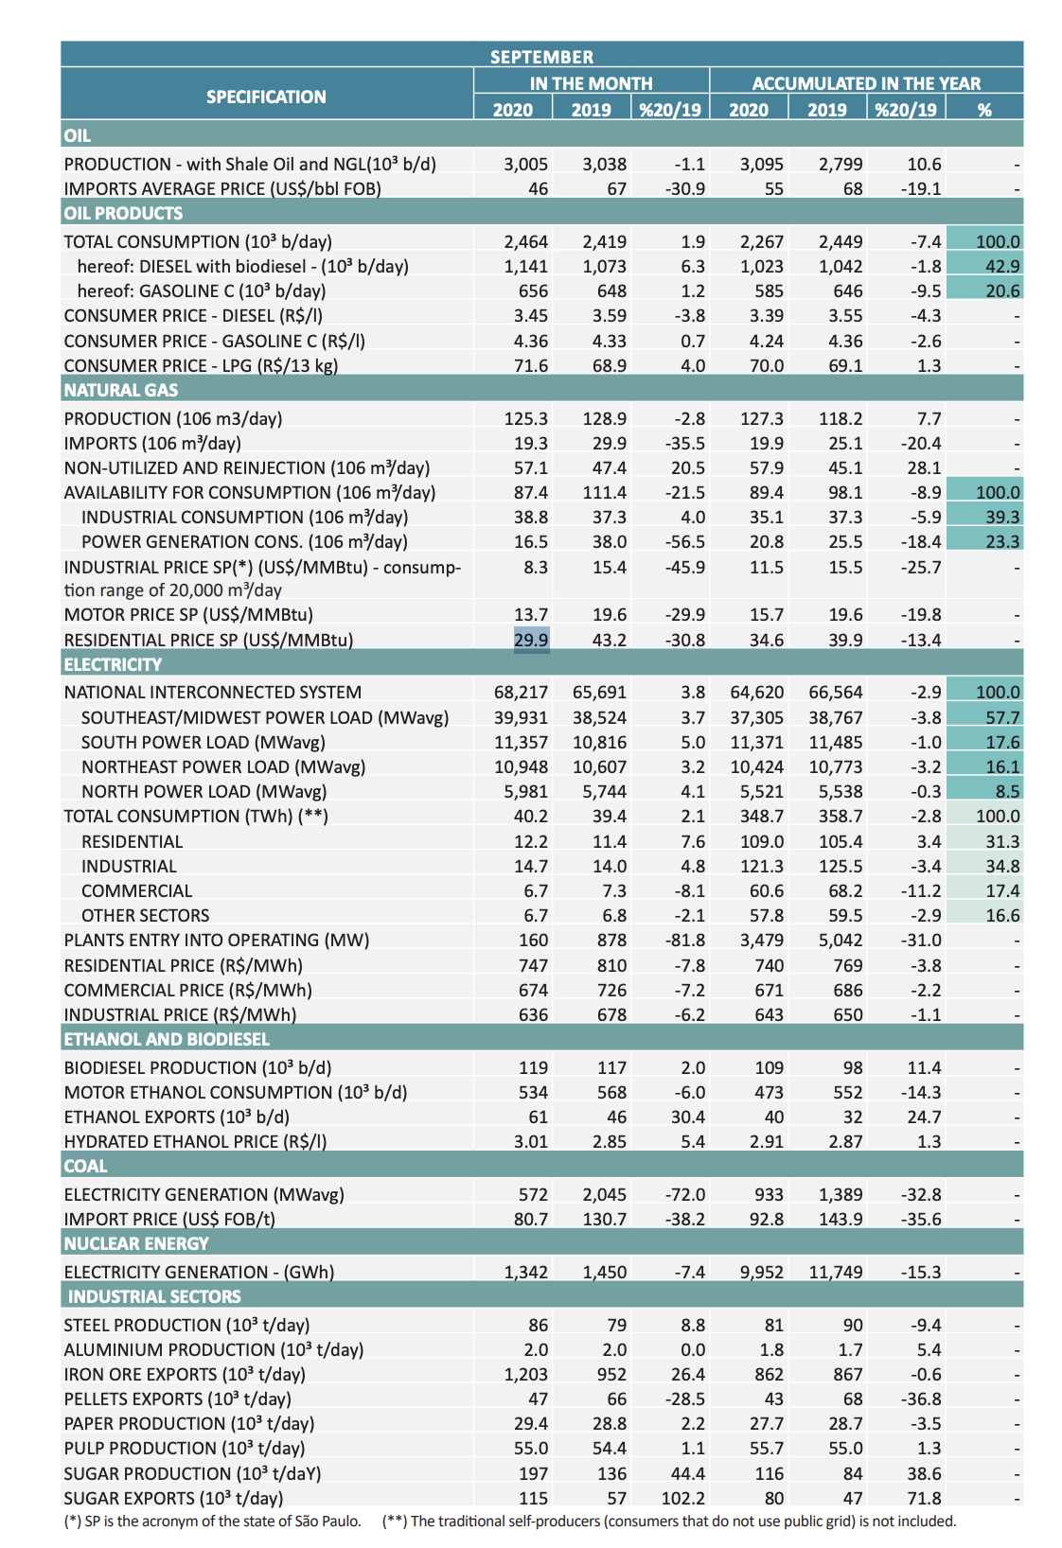
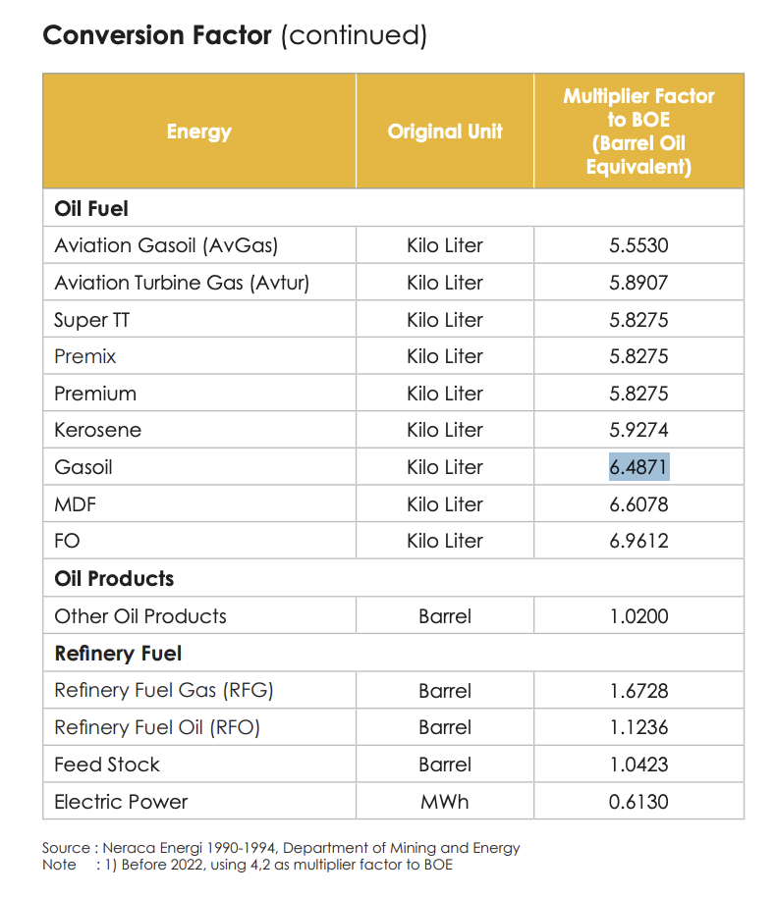
Oil Products |  |  |  | Conversion |  |  |  | Price |  |  | Tax rate |  |  | Pretax Price |  |  | Taxes
Year | Unit | 2020 |  | Liter to BOE | 1 BOE/kg to Btu | BOE to Btu |  | Year | 2020 |  | Year | 2020 |  | Year | 2020 |  | Year | 2020
Gasoline | R$/Liter | 4.36 |  | 6.4871 | 5800000 | 3.76E+07 |  | Gasoline | 5.95E-08 |  | Gasoline | 26% |  | Gasoline | 4.43E-08 |  | Gasoline | 1.53E-08
Diesel | R$/Liter | 3.45 |  | 6.6078 | 5800000 | 3.83E+07 |  | Diesel | 4.62E-08 |  | Diesel | 26% |  | Diesel | 3.44E-08 |  | Diesel | 1.19E-08
LPG | R$/13kg | 71.6 |  | 13 | 1.47E+07 | 1.91E+08 |  | LPG | 1.93E-07 |  | LPG | 26% |  | LPG | 1.43E-07 |  | LPG | 4.94E-08

Natural Gas |  |  |  | Conversion |  |  |  | Price |  |  | Tax rate |  |  | Pretax Price |  |  | Taxes
Year | Unit | 2020 |  | MMBtu to Btu |  |  |  | Year | 2020 |  | Year | 2020 |  | Year | 2020 |  | Year | 2020
Residential | US$/MMBtu | 29.9 |  | 1.00E+06 |  |  |  | Residential | 1.54E-05 |  | Residential | 39.00% |  | Residential | 9.37E-06 |  | Residential | 5.99E-06
Transport | US$/MMBtu | 13.7 |  | 1.00E+06 |  |  |  | Transport | 7.04E-06 |  | Commercial | 39.48% |  | Commercial | 4.26E-06 |  | Commercial | 2.78E-06
Industry | US$/MMBtu | 8.3 |  | 1.00E+06 |  |  |  | Industry | 4.26E-06 |  | Industry | 34.59% |  | Industry | 2.79E-06 |  | Industry | 1.47E-06

Electricity |  |  |  | Conversion |  |  |  | Price |  |  | Tax rate |  |  | Pretax Price |  |  | Taxes
Year | Unit | 2020 |  | MWh to Btu |  |  |  | Year | 2020 |  | Year | 2020 |  | Year | 2020 |  | Year | 2020
Residential | R$/MWh | 747 |  | 3.41E+06 |  |  |  | Residential | 1.12E-04 |  | Residential | 39.00% |  | Residential | 6.86E-05 |  | Residential | 4.39E-05
Commercial | R$/MWh | 674 |  | 3.41E+06 |  |  |  | Commercial | 1.01E-04 |  | Commercial | 39.48% |  | Commercial | 6.14E-05 |  | Commercial | 4.01E-05
Industry | R$/MWh | 636 |  | 3.41E+06 |  |  |  | Industry | 9.58E-05 |  | Industry | 34.59% |  | Industry | 6.26E-05 |  | Industry | 3.31E-05

Ethanol and Biodiesel |  |  |  | Conversion |  |  |  | Price |  |  | Tax rate |  |  | Pretax Price |  |  | Taxes
Year | Unit | 2020 |  | Liter to BOE/MWh to BOE | 1 BOE/kg to Btu | BOE to Btu |  | Year | 2020 |  | Year | 2020 |  | Year | 2020 |  | Year | 2020
Biomass and Biogass | R$/Liter | 3.01 |  | 6.6078 | 5800000 | 3.83E+07 |  | Biomass and Biogass | 4.03E-08 |  | Biomass and Biogass | 26% |  | Biomass and Biogass | 3.00E-08 |  | Biomass and Biogass | 1.03E-08
Biomass | $R/MWh | 1.3 |  | 0.1705 | 5800000 | 3.41E+06 |  | Biomass | 1.96E-07 |  | Biomass | 26% |  | Biomass | 1.96E-07 |  |  | 5.02E-08

Pretax Price (US) - ($/BTU)
Nuclear | 2020 | 2021 | 2022 | 2023 | 2024 | 2025 | 2026 | 2027 | 2028 | 2029 | 2030 | 2031 | 2032 | 2033 | 2034 | 2035 | 2036 | 2037 | 2038 | 2039 | 2040 | 2041 | 2042 | 2043 | 2044 | 2045 | 2046 | 2047 | 2048 | 2049 | 2050
Transportation Sector | 0 | 0 | 0 | 0 | 0 | 0 | 0 | 0 | 0 | 0 | 0 | 0 | 0 | 0 | 0 | 0 | 0 | 0 | 0 | 0 | 0 | 0 | 0 | 0 | 0 | 0 | 0 | 0 | 0 | 0 | 0
Electricity Sector | 1.67E-07 | 5.67E-07 | 5.68E-07 | 5.69E-07 | 5.70E-07 | 5.72E-07 | 5.73E-07 | 5.74E-07 | 5.75E-07 | 5.77E-07 | 5.79E-07 | 5.79E-07 | 5.81E-07 | 5.83E-07 | 5.83E-07 | 5.85E-07 | 5.87E-07 | 5.88E-07 | 5.89E-07 | 5.91E-07 | 5.93E-07 | 5.94E-07 | 5.96E-07 | 5.98E-07 | 5.99E-07 | 6.01E-07 | 6.02E-07 | 6.04E-07 | 6.06E-07 | 6.08E-07 | 6.09E-07
Residential Buildings Sector | 0 | 0 | 0 | 0 | 0 | 0 | 0 | 0 | 0 | 0 | 0 | 0 | 0 | 0 | 0 | 0 | 0 | 0 | 0 | 0 | 0 | 0 | 0 | 0 | 0 | 0 | 0 | 0 | 0 | 0 | 0
Commercial Buildings Sector | 0 | 0 | 0 | 0 | 0 | 0 | 0 | 0 | 0 | 0 | 0 | 0 | 0 | 0 | 0 | 0 | 0 | 0 | 0 | 0 | 0 | 0 | 0 | 0 | 0 | 0 | 0 | 0 | 0 | 0 | 0
Industry Sector | 0 | 0 | 0 | 0 | 0 | 0 | 0 | 0 | 0 | 0 | 0 | 0 | 0 | 0 | 0 | 0 | 0 | 0 | 0 | 0 | 0 | 0 | 0 | 0 | 0 | 0 | 0 | 0 | 0 | 0 | 0
District Heating Sector | 0 | 0 | 0 | 0 | 0 | 0 | 0 | 0 | 0 | 0 | 0 | 0 | 0 | 0 | 0 | 0 | 0 | 0 | 0 | 0 | 0 | 0 | 0 | 0 | 0 | 0 | 0 | 0 | 0 | 0 | 0
LULUCF Sector | 0 | 0 | 0 | 0 | 0 | 0 | 0 | 0 | 0 | 0 | 0 | 0 | 0 | 0 | 0 | 0 | 0 | 0 | 0 | 0 | 0 | 0 | 0 | 0 | 0 | 0 | 0 | 0 | 0 | 0 | 0
Geoengineering Sector | 0 | 0 | 0 | 0 | 0 | 0 | 0 | 0 | 0 | 0 | 0 | 0 | 0 | 0 | 0 | 0 | 0 | 0 | 0 | 0 | 0 | 0 | 0 | 0 | 0 | 0 | 0 | 0 | 0 | 0 | 0

Pretax Price ($/BTU)
Natural Gas | 2020 | 2021 | 2022 | 2023 | 2024 | 2025 | 2026 | 2027 | 2028 | 2029 | 2030 | 2031 | 2032 | 2033 | 2034 | 2035 | 2036 | 2037 | 2038 | 2039 | 2040 | 2041 | 2042 | 2043 | 2044 | 2045 | 2046 | 2047 | 2048 | 2049 | 2050
Transportation Sector | 0 | 0 | 0 | 0 | 0 | 0 | 0 | 0 | 0 | 0 | 0 | 0 | 0 | 0 | 0 | 0 | 0 | 0 | 0 | 0 | 0 | 0 | 0 | 0 | 0 | 0 | 0 | 0 | 0 | 0 | 0
Electricity Sector | 5.94E-07 | 5.94E-07 | 5.94E-07 | 5.94E-07 | 5.94E-07 | 5.94E-07 | 5.94E-07 | 5.94E-07 | 5.94E-07 | 5.94E-07 | 5.94E-07 | 5.94E-07 | 5.94E-07 | 5.94E-07 | 5.94E-07 | 5.94E-07 | 5.94E-07 | 5.94E-07 | 5.94E-07 | 5.94E-07 | 5.94E-07 | 5.94E-07 | 5.94E-07 | 5.94E-07 | 5.94E-07 | 5.94E-07 | 5.94E-07 | 5.94E-07 | 5.94E-07 | 5.94E-07 | 5.94E-07
Residential Buildings Sector | 0 | 0 | 0 | 0 | 0 | 0 | 0 | 0 | 0 | 0 | 0 | 0 | 0 | 0 | 0 | 0 | 0 | 0 | 0 | 0 | 0 | 0 | 0 | 0 | 0 | 0 | 0 | 0 | 0 | 0 | 0
Commercial Buildings Sector | 0 | 0 | 0 | 0 | 0 | 0 | 0 | 0 | 0 | 0 | 0 | 0 | 0 | 0 | 0 | 0 | 0 | 0 | 0 | 0 | 0 | 0 | 0 | 0 | 0 | 0 | 0 | 0 | 0 | 0 | 0
Industry Sector | 0 | 0 | 0 | 0 | 0 | 0 | 0 | 0 | 0 | 0 | 0 | 0 | 0 | 0 | 0 | 0 | 0 | 0 | 0 | 0 | 0 | 0 | 0 | 0 | 0 | 0 | 0 | 0 | 0 | 0 | 0
District Heating Sector | 0 | 0 | 0 | 0 | 0 | 0 | 0 | 0 | 0 | 0 | 0 | 0 | 0 | 0 | 0 | 0 | 0 | 0 | 0 | 0 | 0 | 0 | 0 | 0 | 0 | 0 | 0 | 0 | 0 | 0 | 0
LULUCF Sector | 0 | 0 | 0 | 0 | 0 | 0 | 0 | 0 | 0 | 0 | 0 | 0 | 0 | 0 | 0 | 0 | 0 | 0 | 0 | 0 | 0 | 0 | 0 | 0 | 0 | 0 | 0 | 0 | 0 | 0 | 0
Geoengineering Sector | 0 | 0 | 0 | 0 | 0 | 0 | 0 | 0 | 0 | 0 | 0 | 0 | 0 | 0 | 0 | 0 | 0 | 0 | 0 | 0 | 0 | 0 | 0 | 0 | 0 | 0 | 0 | 0 | 0 | 0 | 0

Taxes rate | 0.22

Tax ($/BTU)
Natural Gas | 2020 | 2021 | 2022 | 2023 | 2024 | 2025 | 2026 | 2027 | 2028 | 2029 | 2030 | 2031 | 2032 | 2033 | 2034 | 2035 | 2036 | 2037 | 2038 | 2039 | 2040 | 2041 | 2042 | 2043 | 2044 | 2045 | 2046 | 2047 | 2048 | 2049 | 2050
Transportation Sector | 0 | 0 | 0 | 0 | 0 | 0 | 0 | 0 | 0 | 0 | 0 | 0 | 0 | 0 | 0 | 0 | 0 | 0 | 0 | 0 | 0 | 0 | 0 | 0 | 0 | 0 | 0 | 0 | 0 | 0 | 0
Electricity Sector | 3.68E-08 | 3.68E-08 | 3.68E-08 | 3.68E-08 | 3.68E-08 | 3.68E-08 | 3.68E-08 | 3.68E-08 | 3.68E-08 | 3.68E-08 | 3.68E-08 | 3.68E-08 | 3.68E-08 | 3.68E-08 | 3.68E-08 | 3.68E-08 | 3.68E-08 | 3.68E-08 | 3.68E-08 | 3.68E-08 | 3.68E-08 | 3.68E-08 | 3.68E-08 | 3.68E-08 | 3.68E-08 | 3.68E-08 | 3.68E-08 | 3.68E-08 | 3.68E-08 | 3.68E-08 | 3.68E-08
Residential Buildings Sector | 0 | 0 | 0 | 0 | 0 | 0 | 0 | 0 | 0 | 0 | 0 | 0 | 0 | 0 | 0 | 0 | 0 | 0 | 0 | 0 | 0 | 0 | 0 | 0 | 0 | 0 | 0 | 0 | 0 | 0 | 0
Commercial Buildings Sector | 0 | 0 | 0 | 0 | 0 | 0 | 0 | 0 | 0 | 0 | 0 | 0 | 0 | 0 | 0 | 0 | 0 | 0 | 0 | 0 | 0 | 0 | 0 | 0 | 0 | 0 | 0 | 0 | 0 | 0 | 0
Industry Sector | 0 | 0 | 0 | 0 | 0 | 0 | 0 | 0 | 0 | 0 | 0 | 0 | 0 | 0 | 0 | 0 | 0 | 0 | 0 | 0 | 0 | 0 | 0 | 0 | 0 | 0 | 0 | 0 | 0 | 0 | 0
District Heating Sector | 0 | 0 | 0 | 0 | 0 | 0 | 0 | 0 | 0 | 0 | 0 | 0 | 0 | 0 | 0 | 0 | 0 | 0 | 0 | 0 | 0 | 0 | 0 | 0 | 0 | 0 | 0 | 0 | 0 | 0 | 0
LULUCF Sector | 0 | 0 | 0 | 0 | 0 | 0 | 0 | 0 | 0 | 0 | 0 | 0 | 0 | 0 | 0 | 0 | 0 | 0 | 0 | 0 | 0 | 0 | 0 | 0 | 0 | 0 | 0 | 0 | 0 | 0 | 0
Geoengineering Sector | 0 | 0 | 0 | 0 | 0 | 0 | 0 | 0 | 0 | 0 | 0 | 0 | 0 | 0 | 0 | 0 | 0 | 0 | 0 | 0 | 0 | 0 | 0 | 0 | 0 | 0 | 0 | 0 | 0 | 0 | 0

Pretax Price (US) - ($/BTU)
Nuclear | 2020 | 2021 | 2022 | 2023 | 2024 | 2025 | 2026 | 2027 | 2028 | 2029 | 2030 | 2031 | 2032 | 2033 | 2034 | 2035 | 2036 | 2037 | 2038 | 2039 | 2040 | 2041 | 2042 | 2043 | 2044 | 2045 | 2046 | 2047 | 2048 | 2049 | 2050
Transportation Sector | 0 | 0 | 0 | 0 | 0 | 0 | 0 | 0 | 0 | 0 | 0 | 0 | 0 | 0 | 0 | 0 | 0 | 0 | 0 | 0 | 0 | 0 | 0 | 0 | 0 | 0 | 0 | 0 | 0 | 0 | 0
Electricity Sector | 3.68E-08 | 3.68E-08 | 3.68E-08 | 3.68E-08 | 3.68E-08 | 3.68E-08 | 3.68E-08 | 3.68E-08 | 3.68E-08 | 3.68E-08 | 3.68E-08 | 3.68E-08 | 3.68E-08 | 3.68E-08 | 3.68E-08 | 3.68E-08 | 3.68E-08 | 3.68E-08 | 3.68E-08 | 3.68E-08 | 3.68E-08 | 3.68E-08 | 3.68E-08 | 3.68E-08 | 3.68E-08 | 3.68E-08 | 3.68E-08 | 3.68E-08 | 3.68E-08 | 3.68E-08 | 3.68E-08
Residential Buildings Sector | 0 | 0 | 0 | 0 | 0 | 0 | 0 | 0 | 0 | 0 | 0 | 0 | 0 | 0 | 0 | 0 | 0 | 0 | 0 | 0 | 0 | 0 | 0 | 0 | 0 | 0 | 0 | 0 | 0 | 0 | 0
Commercial Buildings Sector | 0 | 0 | 0 | 0 | 0 | 0 | 0 | 0 | 0 | 0 | 0 | 0 | 0 | 0 | 0 | 0 | 0 | 0 | 0 | 0 | 0 | 0 | 0 | 0 | 0 | 0 | 0 | 0 | 0 | 0 | 0
Industry Sector | 0 | 0 | 0 | 0 | 0 | 0 | 0 | 0 | 0 | 0 | 0 | 0 | 0 | 0 | 0 | 0 | 0 | 0 | 0 | 0 | 0 | 0 | 0 | 0 | 0 | 0 | 0 | 0 | 0 | 0 | 0
District Heating Sector | 0 | 0 | 0 | 0 | 0 | 0 | 0 | 0 | 0 | 0 | 0 | 0 | 0 | 0 | 0 | 0 | 0 | 0 | 0 | 0 | 0 | 0 | 0 | 0 | 0 | 0 | 0 | 0 | 0 | 0 | 0
LULUCF Sector | 0 | 0 | 0 | 0 | 0 | 0 | 0 | 0 | 0 | 0 | 0 | 0 | 0 | 0 | 0 | 0 | 0 | 0 | 0 | 0 | 0 | 0 | 0 | 0 | 0 | 0 | 0 | 0 | 0 | 0 | 0
Geoengineering Sector | 0 | 0 | 0 | 0 | 0 | 0 | 0 | 0 | 0 | 0 | 0 | 0 | 0 | 0 | 0 | 0 | 0 | 0 | 0 | 0 | 0 | 0 | 0 | 0 | 0 | 0 | 0 | 0 | 0 | 0 | 0

